1. Title Page
[Grocery Basket Analysis]

Project Name: Instacart Grocery Basket Analysis
Date: July 2025
Analyst Name: Maham Rauf

Contents:
Population Flow
Consistency checks
Wrangling steps
Column derivations
Visualizations
Recommendations

Data Citation:
Primary Dataset:
“The Instacart Online Grocery Shopping Dataset 2017,” originally available at www.instacart.com/datasets/grocery-shopping-2017.
Supplementary Dataset:
Additional customer data provided by CareerFoundry.

2. Population Flow
 |  |  | Title page

Population flow

Exclusion flag
Condition: max_order < 5
Obervations to be removed: 1440045
Final total count of order_products_all: 30959687

Orders_products_combined
Orders_products_merged
Orders_products_all

Total:
Total:
Total:
32434489 | 32399732 | 30959687

1.) The grey boxes in the first row of the population flow represent the original data sets as they were when you downloaded them. In the Total fields you need to add the count of the rows when you imported the data set into Jupyter.
2.) The second row of boxes (coloured) represents the data sets after you manipulated them, e.g., removed missing values and duplicates. In the Total fields you need to add the count of the rows after conducting these operations. This offers a visual oveview of how the data flows throughout the data consistency checks.
3.) The third row, where also the arrows are coloured, represents the merges you performed between the datasets. In the Total fields you need to add the count of the rows in the merged datasets, so that you end up with the final dataset (in the red box). Keep in mind the final dataset should be without exclusions (based on the exclusion flag).

3. Consistency checks
 |  |  |  | Title page
Consistency checks

Dataset | Missing values | Missing values treatment | Duplicates
orders | 206209 in 'days_since_prior_order' column | None. Missing values are all for first orders. | No duplicates
products | 16 in 'product_name' column | 16 rows with missing 'product_name' removed | 5 duplicates removed
orders_products_prior | No missing values | NA | No duplicates
customers | No missing values | NA | No duplicates

4. Wrangling steps
 |  |  |  | Title page
Wrangling steps

Columns dropped | Columns renamed | Columns' type changed | Comment/Reason
Unnamed |  |  | not needed
_merged |  |  | not needed
name |  |  | data protection safeguard
surname |  |  | data protection safeguard
busiest_day |  |  | became redundant after creating 'busiest_days' column
 | order_dow to orders_day_of_week |  | easier to interpret
 | First Name to name |  | make column titles uniform
 | Surnam to surname |  | make column titles uniform
 | Gender to gender |  | make column titles uniform
 | STATE to state |  | make column titles uniform
 | Age to age |  | make column titles uniform
 |  | order_id | changed to string
 |  | user_id | changed to string
 |  | name | changed to string

5. Column derivations
 |  |  |  |  | Title page

Column derivations and aggregations

In this tab you should add tables below that the frequences of flags/label variables that you produced after deriving them. NB: don't do this for continuous variables, only for flags.
Dataset | Saved file | New column | Column/s it was derived from | Conditions
ords_prods_merge | ords_prods_merge_newcolms.pkl | price_range_loc | prices | prices > 15, price_range_loc = 'High-range product'
 |  |  |  | prices <= 15 & prices > 5, price_range_loc = 'Mid-range product'
 |  |  |  | prices <= 5, price_range_loc = 'Low-range product'

ords_prods_merge | ords_prods_merge_newcolms.pkl | busiest_days | orders_day_of_week | orders_day_of_week = 0 or = 1, busiest_days= 'Busiest days'
 |  |  |  | orders_day_of_week = 4 or = 3, busiest_days= 'Least busy'
 |  |  |  | orders_day_of_week = else, busiest_days= 'Regularly busy'

ords_prods_merge | ords_prods_merge_newcolms.pkl | busiest_period_of_day | order_hour_of_day | order_hour_of_day = 10, 11, 14, 15, 13, 12, 16 or 9, then busiest_period_of_day = 'Most orders'
 |  |  |  | order_hour_of_day = 17, 8, 18, 19, 20, 7, 21 or 22, then busiest_period_of_day = 'Average orders'
 |  |  |  | order_hour_of_day = else, then busiest_period_of_day = 'Fewest orders'

ords_prods_merge | ords_prods_merge_4.8.pkl | max_order | order_number | maximum order number per user
 |  |  |  | df.groupby ('user_id') ['order_number'].transform('max')

ords_prods_merge | ords_prods_merge_4.8.pkl | loyalty_flag | max_order | max_order' > 40, 'loyalty_flag' = 'Loyal customer'
 |  |  |  | max_order' <= 40 & 'max_order' > 10, 'loyalty_flag' = 'Regular customer'
 |  |  |  | max_order' <= 10, 'loyalty_flag' = 'New customer'

ords_prods_merge | ords_prods_merge_4.8.pkl | spending_flag | mean_price | mean_price' < 10, 'spending_flag' = 'Low spender'
 |  |  |  | mean_price' >= 10, 'spending_flag' = 'High spender'

ords_prods_merge | ords_prods_merge_4.8.pkl | frequentcustomer_flag | prior_order_days_median | prior_order_days_median' <= 10, 'frequentcustomer_flag' = 'Frequent customer'
 |  |  |  | prior_order_days_median' > 10 & 'prior_order_days_median' <= 20, 'frequentcustomer_flag' = 'Regular customer'
 |  |  |  | prior_order_days_median' > 20, 'frequentcustomer_flag' = 'Non-frequent customer'
 |  |  |  | prior_order_days_median' = missing (first time order), 'frequentcustomer_flag' = 'Non-frequent customer'

ords_prods_merge1 | ords_prods_merge4.9.pkl | region | state | American states sorted into 4 regions: https://simple.wikipedia.org/wiki/List_of_regions_of_the_United_States

ords_prods_merge | merged_database_final.pkl | age_group | age | age' <25, 'age_group' = 'Young adult'
 |  |  |  | age' >= 25 & age' < 40, 'age_group' = 'Adult'
 |  |  |  | age' >= 40 & age' < 60, 'age_group' = 'Middle-aged'
 |  |  |  | age' >= 60, 'age_group' = 'Senior'

ords_prods_merge | merged_database_final.pkl | dependants_flag | n_dependants | n_dependants' = 0, 'dependants_flag' = 'No dependants'
 |  |  |  | n_dependants' > 0, 'dependants_flag' = 'Dependants'

ords_prods_merge | merged_database_final.pkl | baby_items_flag | department_id | department_id=18, baby_items_flag = Baby items
 |  |  |  | Else baby_items_flag = Other items

ords_prods_merge | merged_database_final.pkl | customer_group | age_group, dependants_flag | combining two variables:
 |  |  |  | apply(lambda row: f"{row['age_group']}-{row['dependants_flag']}", axis=1)

ords_prods_merge | merged_database_final.pkl | income_group | income | income' <=100000, 'income_group' = 'Low earner'
 |  |  |  | income' <=200000 & 'income' > 100000, 'income_group' = 'Medium earner'
 |  |  |  | income' > 200000, 'income_group' = 'High earner'

6. Visualizations
 |  |  |  |  |  | Title page

Visualisations

In this tab you should include all the visualtions from Exercises 4.9 and 4.10, alongside the questions from the project brief that they answer. Include any commentary on the relationship between different variables.

Question
What are the busiest days of the week and hours of the day?

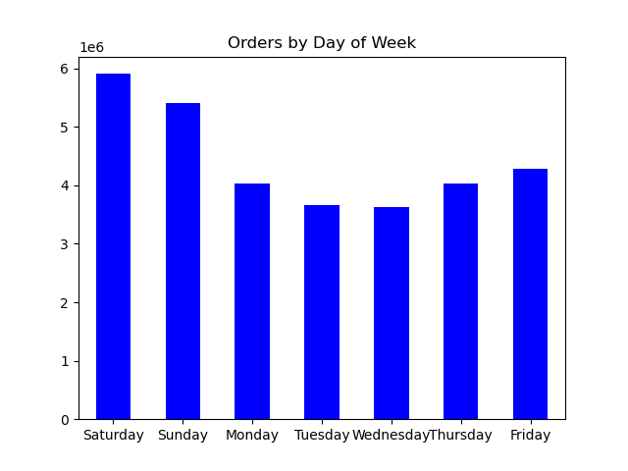

 |  |  |  |  | The week days with biggest numbers of orders are Sunday and Monday, followed by Saturday. The week days with fewest orders are Wednesday and Tuesday.



 |  |  |  |  | The histogram shows that the majority of orders is made during the day between 9am and 5pm, i.e. during working hours for most people. Very few orders are made at night, between midnight and 5am. The best time for any website maintenance would be between 3am and 4am. The best time for ads would be between 10am and 4pm.

Question
Are there particular times of the day when people spend the most money?

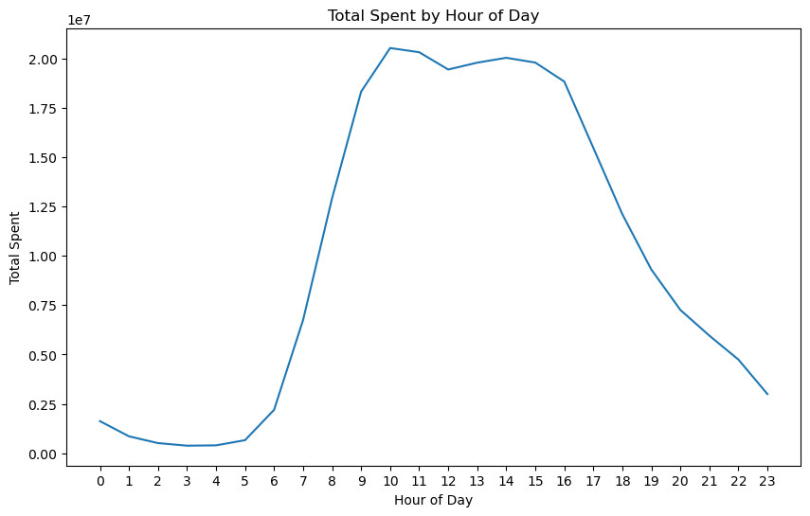
 |  |  |  |  | The line graph shows that the majority of money is spent during the day between 9am and 5pm, which is consistent with the data regarding the busiest time of day in terms of order numbers (see above). Smallests amount of money were spent in the middle of the night, i.e. 2-4am.
 |  |  |  |  | Thus, as suggested above, any site maintenance that might disrupt or slow down the website should be done at night around 3am. The prime time for ads is 10am to 4pm, when most spending is occuring.

Question
Marketing and sales want to use simple price range groupings to help direct their efforts.

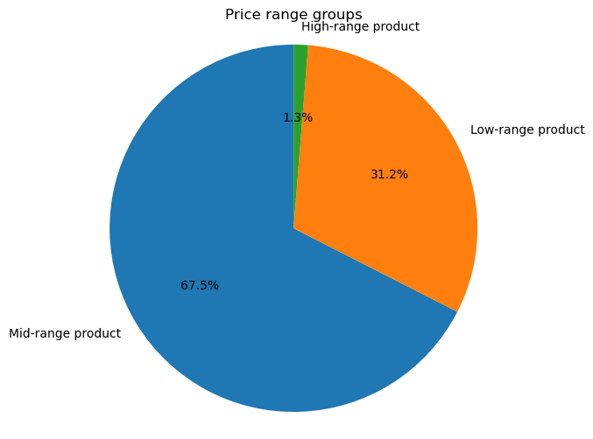
 |  |  |  |  | Price range groupings were defined based on logical considerations. Very few products in the database are considered high-range products in terms of price. The majority of products are mid-range in terms of price. They might not be easily affordable by those of lower income, so additional incentives might be needed to attract such customers .

Question
Are there certain types of products that are more popular than others?

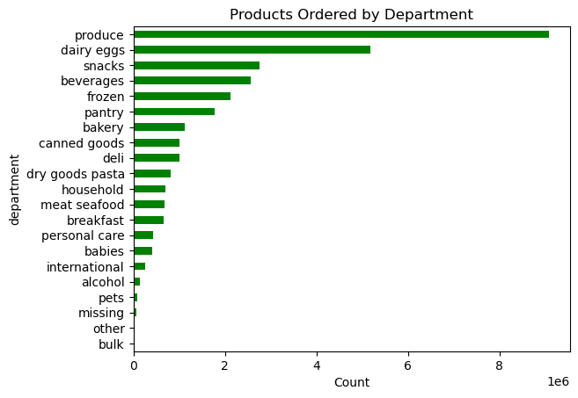
 |  |  |  |  | The biggest number of purchased products is from the produce department, followed by dairy/eggs departments. Fewest of the purchased products are from the bulk department or classified as "other".
 |  |  |  |  | It is crucia to make sure that the top 5 most popular departments: produce, dairy/eggs, snacks, beverages and frozen are always well stocked. Otherwise the customers might leave for other platforms providing similar service.

Question
What’s the distribution among users in regards to their brand loyalty (i.e., how often do they return to Instacart)?

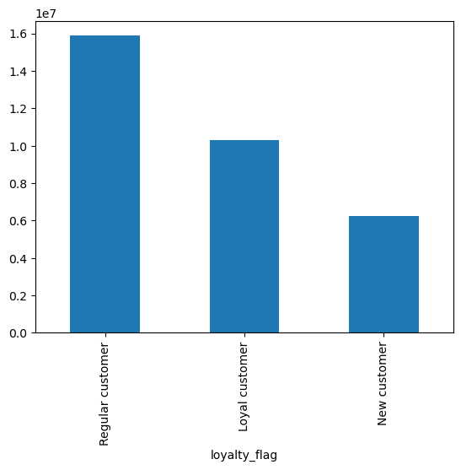

 |  |  |  |  | The majority of customers are regular customers, and the second largest group are loyal customers. Marketing team needs to work to turn more of regular customers into loyal customers. New customers are the smallest group. They can potentially become loyal customers. Special promotions should be sent to new customers to motivate brand loyalty. Loyal customers should also be given some rewards to encourage them to remain with Instacart. These rewards should be ed in social media to encourage brand loyalty in the other customer groups.

Question
Are there differences in ordering habits based on a customer’s loyalty status?

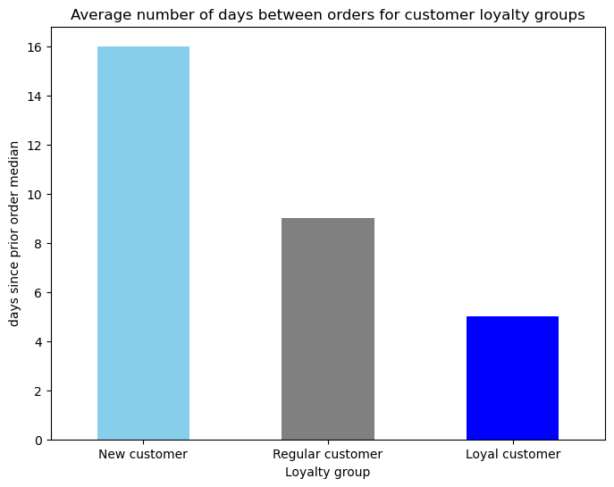
 |  |  |  |  | Loyal customers make purchases more frequently than regular or new customers.

 |  |  |  |  | Although there are some small differences in the patterns of buying from different departments, for all loyalty groups produce, dairy/eggs and snacks are the top 3 popular departments.
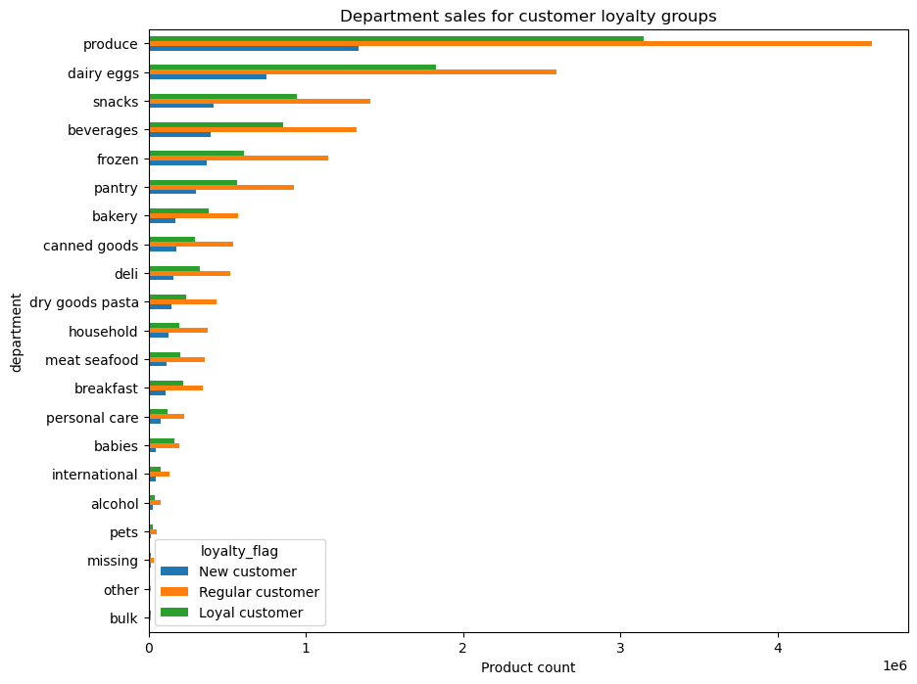

Question
Are there differences in spending habits based on a customer’s region?

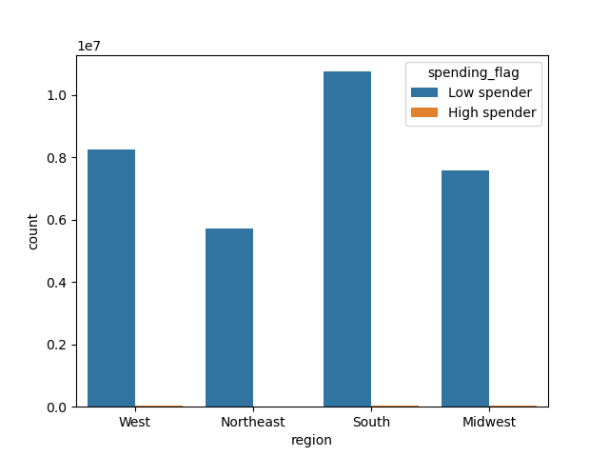

 |  |  |  |  | In all regions, there majority of customers are categorized as low spenders. The highest number of high spenders lives in the South. However, the South also has the highest number of low spenders, compared to other regions.
 |  |  |  |  | It does not appear that high spending customers are associated with one particular US region.

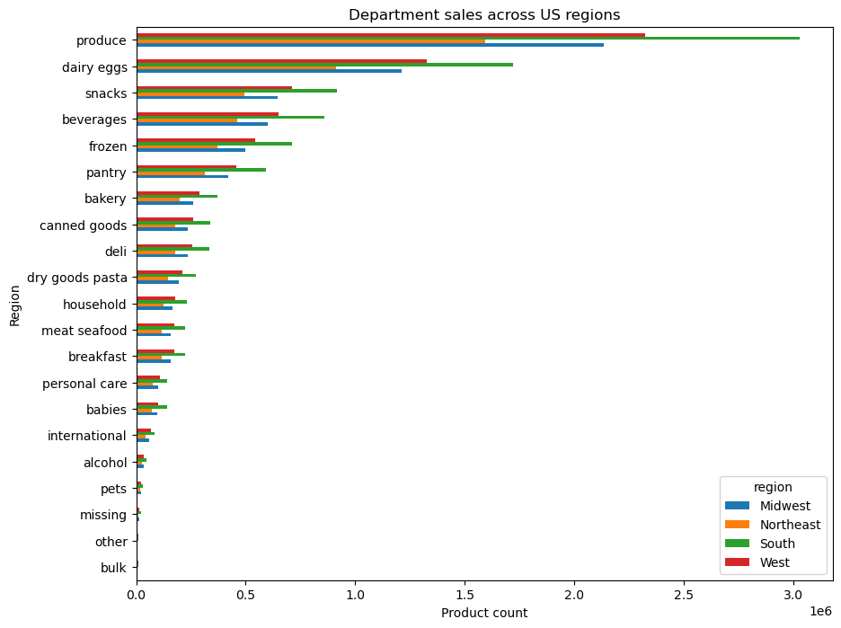
 |  |  |  |  | The pattern of spending across different departments looks very similar for all four US regions. Therefore, the same marketing campaigns can be run across the coutry.

Question
Is age related to spending potential?

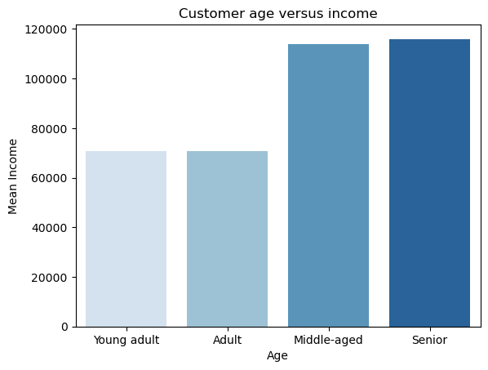

 |  |  |  |  | The bar chart for average income by age group shows young adults and adults tend to have lower income than middle-aged and senior customers.

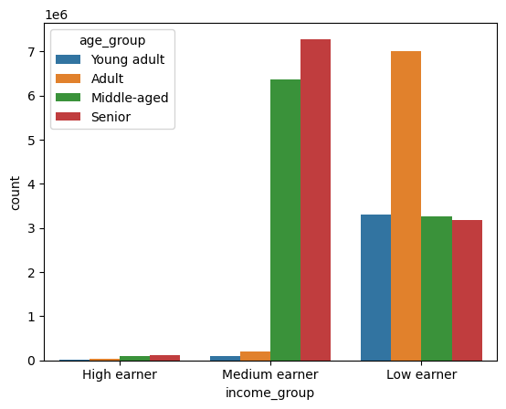
 |  |  |  |  | The second bar chart looks at the ages of customers among the three income groups. The low earners group has about twice as many adults as any of the other four age groups. The vast majority of medium earners are middle-aged and seniors. There are much fewer young adults and adults in the medium eaners group. There are few high earners overall and most high earners are also senior or middle-aged.

 |  |  |  |  | Borth bar charts indicate that older customers are more likely to have higher income than younger customers.
 |  |  |  |  | For the marketing department, the most expensive items, such as expensive liquer, should be advertised to the older customers (40 years and older).
 |  |  |  |  | The younger customers (those in their 20s and 30s) are most likely to be interested in BOGO promotions and clearances.

 | Question
 | Is there a connection between age and family status in terms of ordering habits? |  |  |  | In all customer groups defined by age and having dependants the majority of customers are frequent customers, followed by regular customers. There might be some differences in proporitons between frequent, non-frequent and loyal customers within each profile, but no age-dependants profile is distiguished by having fewer frequent customers than the other types.

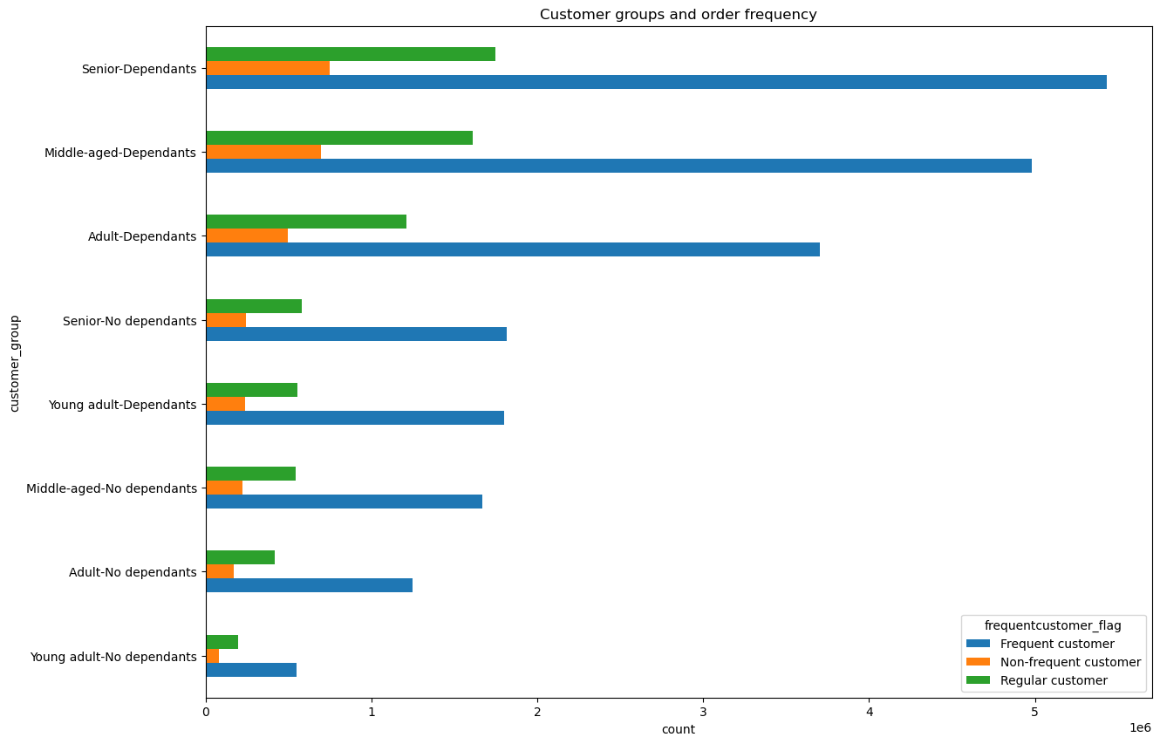

 |  |  |  |  | In all customer groups defined by age and having dependants, regular customers are the majority, followed by loyal customers. The proportions might be slightly different but the general pattern is the same or all groups.

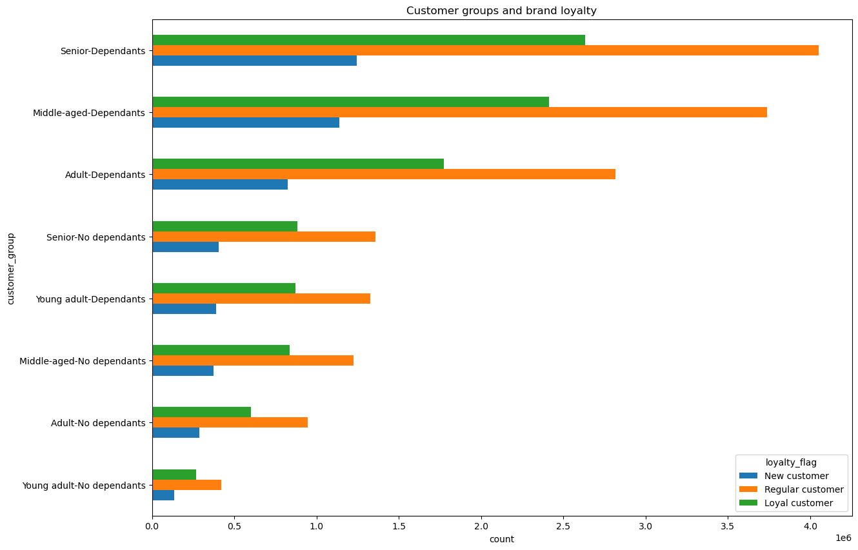

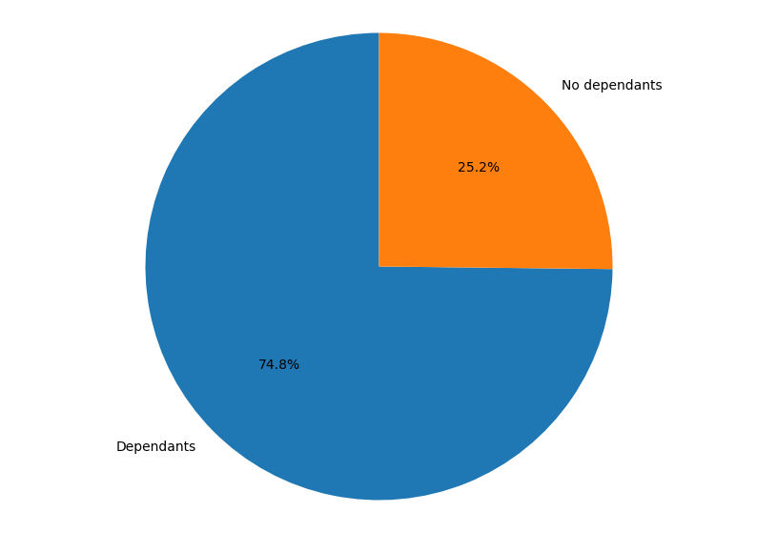
 |  |  |  | Baby item sales
 |  |  |  |  | The majority of baby items are purchased by customers with dependants, presumably with children. However, a quarter of baby item purchases is made by people with no dependants. Perhaps grandparents buying items for their grandchildren. Thus baby items should not be exclusively advertised to customers with children.

 |  |  | Baby item sales by different customer groups

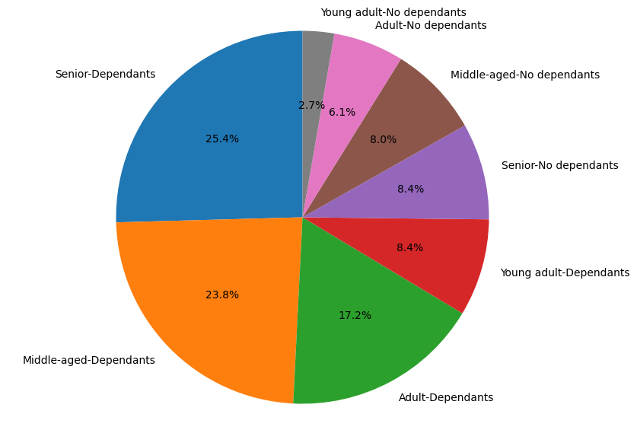
 |  |  |  |  | Proportions of baby items are bought by different customer groups reflects almost exactly the proportions of customer groups within the database (see below for comparison). Thus it does not appear that any particular group is not buying baby items. It would be detrimental to sales to promote baby items only among customers with children.

 | Question
 | What different classifications does the demographic information suggest? Age? Income? Certain types of goods? Family status?
 | What differences can you find in ordering habits of different customer profiles?

 | Customers can be divided into groups according to their age and whether they have dependants or not: |  |  |  | As can be seen from previous question, separating customers by age and number of dependants did not reveal any interesting differences in purchase frequency or brand loyalty.
 |  |  |  |  | Other ways of profiling customers need to be explored.
 |  |  | Customer group proportions within the database



 | Age is connected to income. Income can be used for profiling customers.

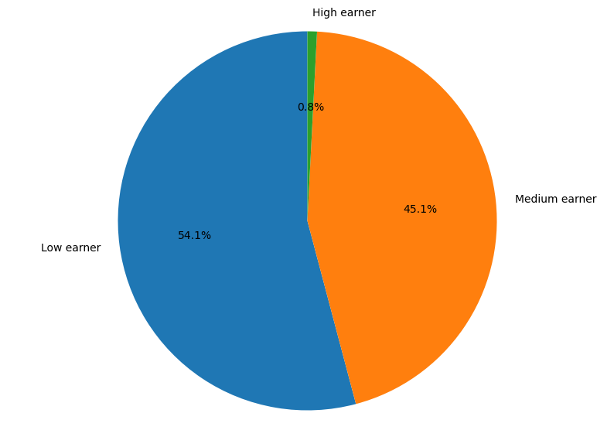
 |  |  |  |  | Just over half of customers are low earners and just under half are medium earners. Less than 1% of customers are high earners.

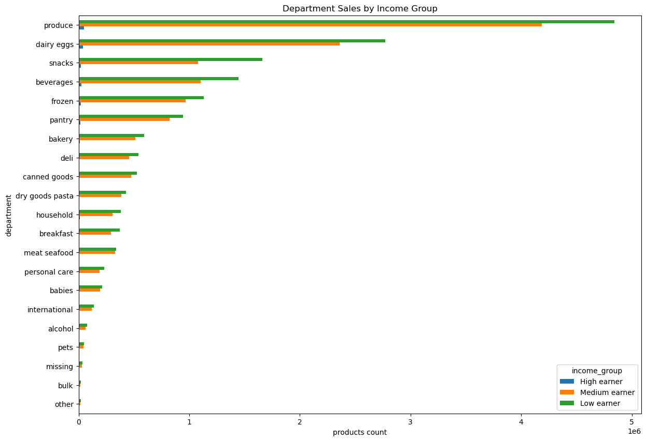
 |  |  |  |  | Customers with low income tend to buy more snacks, while people with medium income are more likely to buy meat and seafood products than might be expected from the general pattern. There are not enough high earners to make conclusions about their spending patterns.

 |  | Income groups and shopping frequency

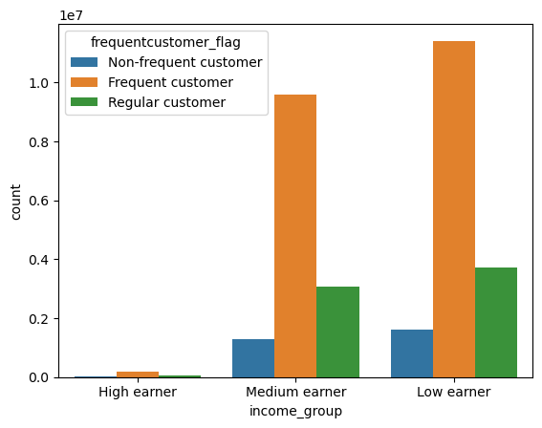
 |  |  |  |  | Frequent customers is the biggest group among all levels of income.

 |  | Income group and price range of purchaced products

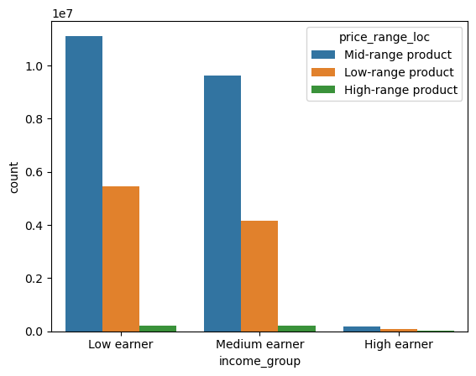
 |  |  |  |  | There are very few high earning customers. Thus, even though they have the spending potential, the reality is that the majority of high-range products are bought by low and medium earners. Therefore, high range products needs to be advertized to customers of all spending potential. For best marketing strategies, it is best to focus on customers' personal shopping history and advertise high-range products to customers who bought them in the past.

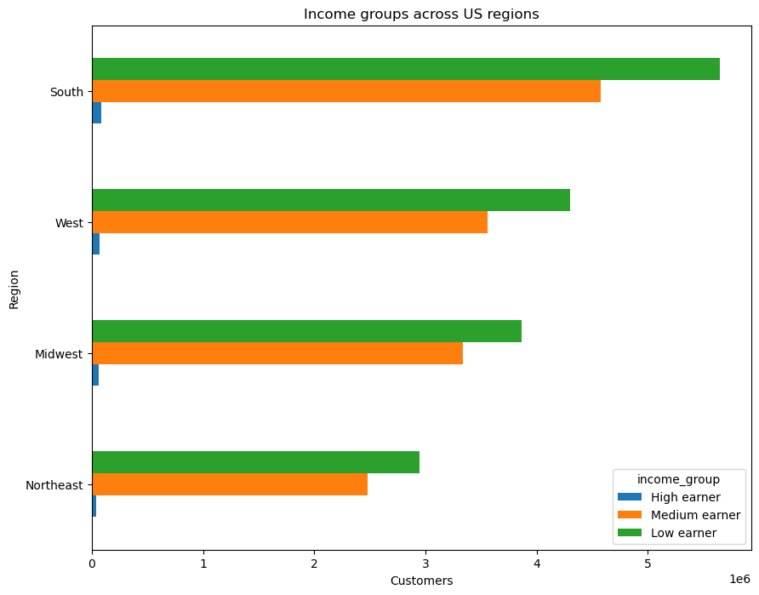
 |  |  |  |  | In every region, the biggest customer group are low earners, followed by medium earners and the smallest customer group are high earners. There seem to be proportionally more medium earners in the Midwest than the general pattern.

7. Recommendations
 |  |  | Title page

Recommendations

In this tab you should include any recommendations you would made to Instcart in terms of their marketing strategy based on the questions posed in the brief. Every key question has been covered in the Tasks of the Exercises - here you need to add an item - a visualisation or table/crosstable that is showing the answer in the data, acompanied by a comment from you. Please, list the questions below and add the answer underneath.

Question | Answer | Recommendations

What are the busiest days of the week and hours of the day? | The week days with biggest numbers of orders are Sunday and Monday, followed by Saturday. The week days with fewest orders are Wednesday and Tuesday. The majority of orders is made during the day between 9am and 5pm, i.e. during working hours for most people. Very few orders are made at night, between midnight and 5am. | The best time for ads would be between 10am and 4pm. The most important ads should be run at that time on Monday and the weekend. The best time for any website maintenance would be between 3am and 4am during the middle of the week. Mid-week (Wednesday or Thursday) during standard working hours (9-5) would be a good time for special one day promotions to increase shopping frequency. The median time between orders is 7 or 8 days for different customer groups. Special promotions only available on certain days might stimulate more customers to make orders more than once per week.

Are there particular times of the day when people spend the most money? | Similar with number of orders, the majority of money is spent during the day between 9am and 5pm. Customers are spending least money in the middle of the night between 2am and 4am. | Any maintenance that might disrupt or slow down the website should be done at night around 3am. The best time for ads is in the middle of the day: 10am to 4pm. One suggestion is to introduce special evening clearances and promotions which are only active during the evening hours, e.g. 7pm to midnight. This might encourage customers to log back into the Instacart site in the evenings to catch the promotions and thus might increase order frequency.

Are there certain types of products that are more popular than others? | The biggest number of purchased products is from the produce department, followed by dairy/eggs departments. Other departments in the top 5 most popular are snacks, beverages and frozen, in that order. Fewest of the purchased products are from the bulk department or classified as "other". The top 5 most popular departments are the same among loayl and new customers, different income levels and across the four US regions. | It is crucia to make sure that the top 5 most popular departments: produce, dairy/eggs, snacks, beverages and frozen are always well stocked. Otherwise the customers might leave for the other platforms providing similar service. Many promotions for products from these departments is likely to attract new customers. Since the pattern was the same across all the different groups that were considered, it is likely that these departments would also be popular among potential customers.

What’s the distribution among users in regards to their brand loyalty (i.e., how often do they return to Instacart)? Are there differences in ordering habits based on a customer’s loyalty status? | The majority of customers are regular customers, and the second largest group are loyal customers. New customers are the smallest group. Loyal customers make purchases more frequently than regular or new customers. | The marketing team needs to work to turn more of the regular customers into loyal customers. New customers can also potentially become loyal customers. Special promotions should be sent to new customers to motivate brand loyalty. Loyal customers should also be given some rewards to encourage them to remain with Instacart. These rewards should be highlighted in social media to encourage brand loyalty in other customer groups.

Are there differences in spending habits based on a customer’s region? | No notable differences were found between the four US regions. | The same marketing campaigns can be run across the coutry.

Is age related to spending potential? | There is a clear relationship between age and income, with middle-aged and senior customers earning more on average. Also seniors with dependants and middle-aged adults with dependants are the two biggest customer groups. Thus, not only do they have higher spending potential, they also have more people in the household to shop for. | High price range items should be advertised to the older age groups (40+ years). The younger customers (those in their 20s and 30s) are most likely to be interested in BOGO promotions and clearances.

Is there a connection between age and family status in terms of ordering habits? | Customers were separated into groups based on their age groups and having or not having any dependants. No notable differences were found between these groups in their loyalty status or how frequently they order from Instacart. There were only very small differences observed in the average order total between the groups, with young adults with no dependents tending to spend slightly less per order than the other groups, which would be expected. The average price paid per item was very similar between the groups. | From the available data it appears that it does not make sense to divide customers of marketing purposed based age and having children. Other customer differences need to be explored.
 | Looking specifically at baby items, they were mostly purchased by customers with dependants. However, a quarter of all purchases was done by customers with no dependants (grandparents, women who are expecting, daycare workers? Almost half of purchased baby items was purchased by middle-aged and senior customers with dependents. | Any marketing done for baby items should be done across all age groups and family situations. Advertising only to younger people or only to parents might miss a lot of sales opportunities.

What different classifications does the demographic information suggest? Age? Income? Certain types of goods? Family status? | Age and having children or other dependants in the household was not a particularly useful way of classifying customers. As an alternative, customers were divided into three income groups.
What differences can you find in ordering habits of different customer profiles? | Just over half of customers are low earners and just under half are medium earners. Less than 1% of customers are high earners. Frequent customers is the biggest group among all levels of income. | There are very few high earning customers. Thus, even though they have the spending potential, the reality is that the majority of high-range products are bought by low and medium earners. Therefore, high range products needs to be advertized to customers of all spending potential. For best marketing strategies, it is best to focus on customers' personal shopping history and advertise high-range products to customers who bought them in the past.
 | Predictably, high earners tend to spend more on average per order than medium or low earners, and medium earners spend more than low earners.
 | Customers with low income tend to buy more snacks, while people with medium income are more likely to buy meat and seafood products than might be expected from the general pattern. There are not enough high earners to make conclusions about their spending patterns. | Low earners are likely to be interested in new snacks apearing on the market, while medium earners might be tempted by expensive meat cuts or seafood. The marketing department should target ads and promotions accordingly.
 | In every US region, the biggest customer group are low earners, followed by medium earners and the smallest customer group are high earners. There seem to be proportionally more medium earners in the Midwest than the general pattern. | Invest in more advertizing aimed at medium earners in the Midwest. For example.

